Circularity & Waste
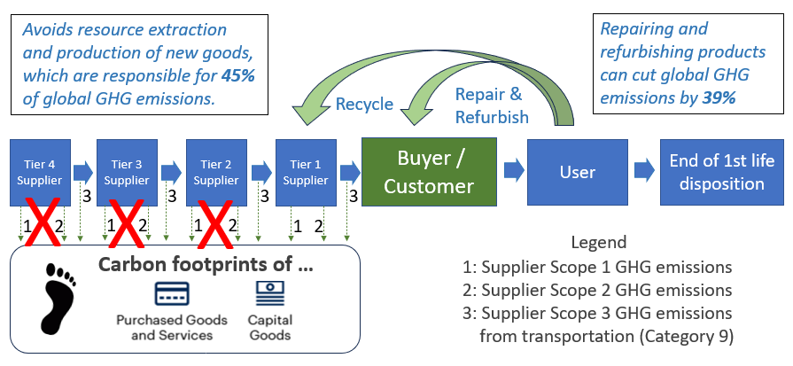
Circularity & Waste
Sustainable organizations eliminate all avoidable hazardous and non-hazardous waste, and reuse, recycle or otherwise repurpose any remaining forms of waste. Commitment to circular design not only reduces waste and the extraction of raw materials, it also significantly reduces GHG emissions by encouraging procurement options with low or no carbon footprints, as shown in the figure on the right. This section has three groups of questions that assess: • Performance on circular design of physical products and offerings, and their packaging • Performance on operations waste • Performance on product and packaging waste

Performance on circular design of physical products and offerings, and their packaging Does your organization intentionally design its physical product offerings and associated packaging for a circular economy? (Check all that apply; replace sample data with real organization data)
 | We are a services company and/or we do not offer any physical, solid products or offerings. (If selected, you score 100% on circular design of your physical products. Skip to the next question, below.) |  | Today, to the nearest 10%
% by weight of recycled parts / renewable input materials / recycled plastics in our physical products |  |  | 30%
% of revenue from physical products that are designed for repair and refurbishing |  |  | 40%
% of revenue from physical products that are designed for disassembly by third parties |  |  | 60%
% of revenue from physical products that we offer to take-back, even if customers do not return them |  |  | 80%
% of revenue from physical products that we offer as refurbished products |  |  | 50%
% of revenue that is not from single-use plastic products or products containing microbeads |  |  | 90%
% of revenue from physical products we offer for lease, rent, or Product-as-a-Service (PaaS), even if customers do not use these options |  |  | 60%
% by weight of recycled, recyclable, renewable or biodegradable materials in our packaging |  |  | 30%
% of our packaging that we take-back and reuse or recycle |  |  | 10%
(One action we plan to take, by when, to improve the circularity of our physical products, or their packaging.) |  | Overall circularity score | 50%
Links to evidence, for verification purposes
(Insert link(s) to publicly available evidence / webpages / reports that support the above answers. Please include the page number(s) or section name(s) where the backup evidence is located.)

See "Circular Procurement: Strategies for Circular Criteria" for additional details and guidance.

Performance on operations waste Waste is used here to mean all materials generated as by-products of production and other operational activities which the company manages to contain, and which require treatment, repurposing, or disposal. This includes both hazardous and non-hazardous manufacturing materials, as well as non-production waste (e.g., office paper, food, retired equipment). (Note: Liquid, gaseous, or solid wastes which are accidentally or intentionally discharged directly into the environment are covered by Non-GHG Emissions.) Does your organization do any of the following to manage its hazardous and non-hazardous waste? (Check all that apply; replace sample data with real organization data)
 | We do not currently monitor and record our hazardous and non-hazardous waste. (If selected, the score will be zero, even if other choices are checked. Skip to the next page.)
 | We monitor and record our hazardous and non-hazardous waste.
 | Approximate percentage of hon-hazardous waste that is repurposed / recycled |  | 80%
 | Approximate percentage of hazardous waste that is properly disposed of |  | 100%
 | (Use this area to document data sources, estimation methodology and assumptions.)
 | We have reduced our hazardous and non-hazardous waste, relative to a baseline year of our choosing.
 | We have targets for our hazardous and non-hazardous waste.
 | We have a science-based goal of zero hazardous and non-hazardous waste, regardless of organization growth.
77% | Score on handling of operations waste, giving credit for waste that is properly treated
Links to evidence, for verification purposes
(Insert link(s) to publicly available evidence / webpages / reports that support the above answers. Please include the page number(s) or section name(s) where the backup evidence is located.)

Performance on product and packaging waste Product waste occurs at the end-of-useful-life phase of the project. The intent is to avoid the product being thrown into the environment (e.g. dumped into a landfill). Instead, in a circular economy the product is repaired, refurbished, reused or recycled. Packaging waste includes waste associated with bulk shipments and waste associated with individual products (e.g., plastic bottles). and their delivery. Does your organization do any of the following to manage its product and packaging waste? (Check all that apply; replace sample data with real organization data)
 | We are a services company and do not offer any physical, solid products or offerings. (If selected, you score 100% on product and packaging waste. Skip to the next worksheet.)
 | We do not currently monitor and record our product and packaging waste. (If selected, the score will be zero, even if other choices are checked. Skip to the next worksheet.)
 | We monitor and record our product and packaging waste.
 | Approximate percentage of product waste that is repurposed / recycled at end-of-use |  | 70%
 | Approximate percentage of packaging waste that is repurposed / recycled |  | 60%
 | (Use this area to document data sources, estimation methodology and assumptions.)
 | Our products are at least partially biodegradable, or recyclable through local waste infrastructure and take-back schemes.
 | Our packaging is at least partially biodegradable, or recyclable through local waste infrastructure and take-back schemes.
 | We have set targets for our product and packaging waste, relative to a baseline year of our choosing.
 | We met targets for product and packaging waste, for the reporting period.
 | We have a science-based goal of zero product and packaging waste, regardless of organization growth.
60% | Score on handling of product and packaging waste, giving credit for waste that is properly treated
Links to evidence, for verification purposes
(Insert link(s) to publicly available evidence / webpages / reports that support the above answers. Please include the page number(s) or section name(s) where the backup evidence is located.)

Overall Score on Waste & Circularity
50% | Score on performance on circular design of physical products and offerings, and their packaging (see above)
77% | Score on performance on operations waste (see above)
60% | Score on performance on product and packaging waste (see above)
62% | Overall average score on waste & circularity

GHG Emissions
GHG Reductions
Organizations committed to net-zero targets eliminate all direct / operational and indirect greenhouse gas (GHG) emissions, also known as Scope 1, Scope 2, and Scope 3 emissions. Scope 1 direct GHG emissions are from stationary and mobile sources that are owned or controlled by the organization. Scope 2 indirect emissions are from power plants associated with the generation of the organization's purchased electricity or steam. Scope 3 GHG emissions occur elsewhere in the organization's value chain. Scope 3 emissions usually account for 50%% to 90% of an organization's carbon footprint. They come from the 15 sources / categories shown in the adjacent figure. Some are more relevant to a particular organization than others. This questionnaire asks about reduction of at least one of the most relevant and actionable Scope 3 categories of emissions, such as upstream transportation and distribution, business travel, employee commuting, waste generation, or downstream transportation and distribution. | 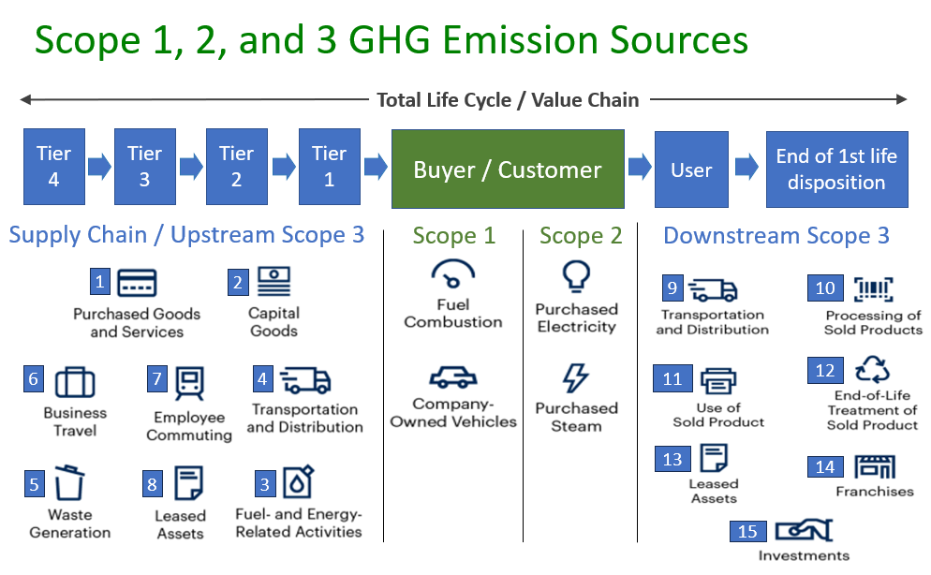

This question is about your commitment to reduce all your Scope 1, all your Scope 2, and at least one of your most relevant / actionable Scope 3 categories of GHGs to meet science-based GHG reduction targets. (Check all that apply, changing sample checks appropriately. "Scope #" refers to Scope 1, Scope 2, and relevant / actionable Scope 3 GHG emissions.) |  | All Scope 1 GHGs | All Scope 2 GHGs | At least one relevant category of Scope 3 GHGs
(Insert the name of the relevant category of Scope 3 emissions that is being assessed in the Scope 3 column. e.g., upstream transportation and distribution, business travel, employee commuting, waste generation, or downstream transportation and distribution.)
This question is about your commitment to reduce all your Scope 1, all your Scope 2, and at least one of your most relevant / actionable Scope 3 categories of GHGs to meet science-based GHG reduction targets. (Check all that apply, changing sample checks appropriately. "Scope #" refers to Scope 1, Scope 2, and relevant / actionable Scope 3 GHG emissions.)
Reporting / current year emissions
We do not monitor and record our absolute Scope # GHG emissions. (If selected, the score will be zero for that Scope x of GHG emissions, even if other choices below in that column are checked.)
We use a standard methodology (e.g., GHG Protocol) to calculate our Scope 1 emissions, and express them in consistent CO2 equivalent units.
(See the footnotes below for resources that can be used to help with the calculations)
Total absolute Scope # GHG emissions, in consistent CO2 equivalent units. |  | 3,600 | 200 | 5,000
Units (Use the dropdown menu for units) |  | kilotons (kt) | kilotons (kt) | kilotons (kt)
Base year
We have chosen a base reference year and express our Scope # targets as a percentage reduction from our absolute Scope # emissions that year. i.e., An organization's base year is usually the year in which its recorded Scope # emissions were the highest and for which reliable emissions data is available. If a previous base year hasn't already been chosen, or can't be, the current year usually becomes the base year, against which future GHG emissions reductions are measured.
Targets
We have a net-zero target to reduce our Scope # emissions by 100%, relative to emissions in our base year, by 2050 or earlier, regardless of organization growth.
We have a net-zero target to reduce our Scope # emissions by 50%, relative to emissions in our base year, by 2030 or earlier, regardless of organization growth.
We have a net-zero target to reduce our Scope # emissions by a specific %, relative to emissions in our base year, within the next 2 years, regardless of organization growth.
...

Overall Scores
Overall Sustainability Scores
This is a summary of the scores on sustainability issues, as calculated in their respective worksheets.

Sustainability Scores
Energy | 75%
Water | 83%
Circularity & Waste | 62%
Encroachment | 95%
Non-GHG emissions | 71%
GHG emissions | 63%
Procurement | 75%
Employee wages | 65%
Employee health | 63%
Employment terms | 73%
Diversity & Inclusion | 71%
Community | 73%
Governance | 56%

Overall Scores

 | Core Sustainability Issues | % Progress Scores | Meaning of % Progress Scores
 | Energy | 75% | <100%: How far the organization is on its journey toward not causing any harm on that issue. 100%: The organization is breaking even on that issue – it's not causing any harm. >100%: The organization is being restorative / regenerative / net positive, directly or indirectly, overall.
 | Water | 83%
 | Circularity & Waste | 62%
 | Encroachment | 95% | Graphical Representations
 | Non-GHG emissions | 71% | The bar charts above illustrate the kind of graphical representations that make presentations / reports more effective and facilitate prioritizing sustainability issues for improvement. The bar charts are generated in real time, based on the scores in the adjacent table. Users are encouraged to transcribe the scores into their own separate Excel worksheet, or into a different preferred graphics software package, to generate other kinds of charts (e.g. column, radar, or pie charts), dashboards, and / or line charts that show trends in their organization's performance on high-focus issues compared to previous years, if that information is available.
 | GHG emissions | 63%
 | Procurement | 75%
...

SDGs Scores
SDG Scores
Sustainability scores are mapped to their most closely-related, primary SDGs to generate scores on the SDGs. This star-studded video provides a quick overview of the SDGs:
We The People' for The Global Goals

SDG Scores
1 No poverty | 64%
2 Zero hunger | 64%
3 Wellbeing | 63%
4 Education | 68%
5 Gender equality | 69%
6 Clean water | 81%
7 Clean energy | 73%
8 Decent work | 68%
9 Infrastructure | 72%
10 Inequalities | 72%
11 Communities | 72%
12 Consumption | 68%
13 Climate | 62%
14 Life below water | 72%
15 Life on land | 72%
16. Institutions | 72%
17 Partnerships | 72%

Overall Scores

 | SDGs | % Progress Scores | Meaning of % Progress Scores | SDG names and results that are used in the charts
 | 1 No poverty | 64% | <100%: How far the organization is on its journey toward not working against that SDG. 100%: The organization is breaking even on that SDG – it's not working against it. >100%: If the overall score is greater than 100%, the organization is being restorative / regenerative / net positive on the SDGs, directly or indirectly, overall. | 1 No poverty | 64%
 | 2 Zero hunger | 64% |  | 2 Zero hunger | 64%
 | 3 Good health and wellbeing | 63% |  | 3 Wellbeing | 63%
 | 4 Quality education | 68% |  | 4 Education | 68%
 | 5 Gender equality | 69% |  | 5 Gender equality | 69%
 | 6 Clean water and sanitation | 81% | Graphical Representations | 6 Clean water | 81%
 | 7 Affordable and clean energy | 73% | The bar charts above illustrate the kind of graphical representations that make presentations / reports more effective and facilitate prioritizing sustainability issues for improvement. The bar charts are generated in real time, based on the scores in the adjacent table. Users are encouraged to transcribe the scores into their own separate Excel worksheet, or into a different preferred graphics software package, to generate other kinds of charts (e.g. column, radar, or pie charts), dashboards, and / or line charts that show trends in their organization's performance on high-focus issues compared to previous years, if that information is available. | 7 Clean energy | 73%
...

Capitals Scores
Non-Financial Capitals Scores
Sustainability scores are mapped to natural, human and social capitals to generate scores on those non-financial capitals.

Non-Financial Capitals Scores
Natural Capital | 73%
Human Capital | 67%
Social Capital | 72%

Mapping of Sustainability Scores to Non-Financial Capitals
Scores on sustainability issues are proxies for scores on aligned non-financial capitals. This table shows how sustainability scores are mapped to the three non-financial capitals. Governance scores are always factored in, to reinforce that improving governance improves everything.

 | Core Sustainability Issues | Sustainability Scores | Natural Capital | Human Capital | Social Capital
 | Energy | 75% | 75%
 | Water | 83% | 83%
 | Procurement | 75% | 75%
 | GHG emissions | 63% | 63%
 | Non-GHG emissions | 71% | 71%
...

